Oeuvres_art
Client | Nom de l'artiste | Visuel de l'œuvre | Nom de l'œuvre | Date de creation | Date d'acquisition | Prix d'acquisition | Valeur EUR | Informations techniques | Localisation
Borin Khuoy | My art 1 |  | Untitled | 2020 | 2021-09-27 | -300000 | 334568.5 | Oil stick and pencil on canvas, artist's frame 205,7 x 287 cm | BRETEUIL
Borin Khuoy | My art 2 | 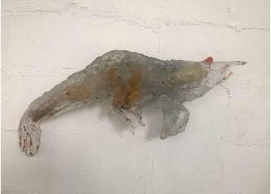 | Shrimp | 2020 | 2020-04-05 | -300000 | 7000 | Verre, aluminium 75 x 30 x 15 cm
Borin Khuoy | My art 3 |  | Perceval | 2020 | 2021-09-28 | -300000 | 45000 | Patinated bronze, hand blown glass 127 x 86 x 42 cm | COLLINGHAM
Borin Khuoy | My art 4 |  | Perceval | 2020 | 2021-09-28 | -300000 | 45000 | Patinated bronze, hand blown glass 127 x 86 x 42 cm | COLLINGHAM
Borin Khuoy | My art 5 |  | Untitled | 2020 | 2021-09-27 | -300000 | 334568.5 | Oil stick and pencil on canvas, artist's frame 205,7 x 287 cm | BRETEUIL
Borin Khuoy | My art 6 |  | Shrimp | 2020 | 2020-04-05 | -300000 | 7000 | Verre, aluminium 75 x 30 x 15 cm
Borin Khuoy | My art 7 |  | Perceval | 2020 | 2021-09-28 | 38000 | 45000 | Patinated bronze, hand blown glass 127 x 86 x 42 cm | COLLINGHAM

